1. Stage 0
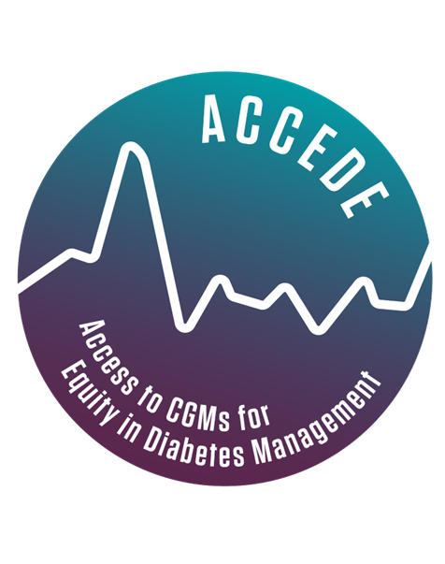
Call to manufacturers of CGMs not commercialized in Kenya or South Africa for product evaluation and market introduction by FIND
Basic Information and Eligibility check
Manufacturer Name: |  |  |  |  | v1.0_3 Feb 2023
Product Name:
Contact Person: |  |  | Please take care when completing column E
Job Title: |  |  | The cells in column E will only accept the words Yes or No, as indicated in the dropdown selection
Email Address: |  |  | After completing all 5 questions, please check in cell E17 if your product is eligible
Mobile Number: |  |  | Please contact us at NCDs@finddx.org with any questions by 17th Feb
City and Country:
 | Question number | Question | Information required | Answer | Comment or additional information
Eligibility Check | 1 | Has your product been registered with at least one of the stringent regulatory authorities. List of SRAs is http://www.stoptb.org/assets/documents/gdf/drugsupply/list_of_countries_sra.pdf | Yes or No
 | 2 | Is your product minimally invasive, and does not require a surgical procedure for placement of the sensor | Yes or No
 | 3 | Is your product registered for sale in Kenya or South Africa (or only registered very recently) | Yes or No
 | 4 | Is the application compatible with Android operating system | Yes or No
 | 5 | Is your organisation committed to registering & introducing this product in Kenya and/ South Africa, considering accessible prices and with support from FIND | Yes or No

 |  | Valid answer once all fields Q1-5 are completed | Your submission is:

